1. Title Page
[Grocery Basket Analysis]

Project Name: Instacart Grocery Basket Analysis
Date: 16 April 2023
Analyst Name: Stephanie Burns

Contents:
Population Flow
Consistency checks
Wrangling steps
Column derivations
Visualizations
Recommendations

Data Citatation:
"The Instacart Online Grocery Shopping Dataset 2017", Accessed from “The Instacart Online Grocery Shopping Dataset 2017”, Accessed from https://www.instacart.com/datasets/grocery-shopping-2017 on February 27, 2023.
Customer and Products dataset were fabricated for the purpose of this project.

2. Population Flow
Title page

Population flow

Exclusion flag
Condition: max_order < 5
Obervations to be removed: Customer PII (first and last name) - 2 colums
Final total count of ords_prod_cust: 32,404,858

Orders_products_combined
Orders_products_merged
ords_prod_cust

Total: 32,434,489
Total: 32,404,859
Total: 32,404,858

1.) The grey boxes in the first row of the population flow represent the original data sets as they were when you downloaded them. In the Total fields you need to add the count of the rows when you imported the data set into Jupyter.
2.) The second row of boxes (coloured) represents the data sets after you manipulated them, e.g., removed missing values and duplicates. In the Total fields you need to add the count of the rows after conducting these operations. This offers a visual oveview of how the data flows throughout the data consistency checks.
3.) The third row, where also the arrows are coloured, represents the merges you performed between the datasets. In the Total fields you need to add the count of the rows in the merged datasets, so that you end up with the final dataset (in the red box). Keep in mind the final dataset should be without exclusions (based on the exclusion flag).

3. Consistency checks
 |  |  |  | Title page
Consistency checks

Dataset | Missing values | Missing values treatment | Duplicates
orders | 206,209 missing values from 'days_since_prior_order' | These values weren't actually missing. These customers only had one orders so there are no days since their prior order. Nothing was done to "correct" these missing values | 0
products | 16 missing under 'product_name' | Those 16 rows were removed from the dataset | 5 duplicates were found and removed
orders_products_prior | 0 | N/A | 0
customers | 0 | N/A | 0

4. Wrangling steps
 |  |  |  | Title page
Wrangling steps

Columns dropped | Columns renamed | Columns' type changed | Comment/Reason
eval_set |  |  | Column was not relevant to the analysis
 | order_dow' was changed to 'order_day_of_week' |  | Column renamed to provide clarity
 |  | order_id' changed from 'int' to 'str' | Column provides no meaningful descriptive statistics
 |  | user_id' changed from 'int' to 'str' | Column provides no meaningful descriptive statistics
 | department_id' was transposed |  | Column transposed to provide readability
Unnamed: 0.1 |  |  | Column was not relevant to the analysis
Unnamed: 0 |  |  | Column was not relevant to the analysis
_merge |  |  | Column was not relevant to the analysis
First Name |  |  | Column removed for data privacy/PII purposes
Surnam |  |  | Column removed for data privacy/PII purposes
 | Gender -> gender |  | Column renamed to provide clarity and consistency
 | STATE -> state |  | Column renamed to provide clarity and consistency
 | Age -> age |  | Column renamed to provide clarity and consistency
 | n_dependants -> number_dependants |  | Column renamed to provide clarity and consistency
 | fam_status -> marital_status |  | Column renamed to provide clarity and consistency

5. Column derivations
 |  |  |  | Title page

Column derivations and aggregations

In this tab you should add tables below that the frequences of flags/label variables that you produced after deriving them. NB: don't do this for continuous variables, only for flags.
Dataset | New column | Column/s it was derived from | Conditions
ords_prod_merged | price_range_loc | prices | If 'price's is greater than 15 then 'High range product' If 'prices' is 5-15 then 'Mid range product' If 'prices' is less than 5 then 'Low range product'
ords_prod_merged | busiest_day | orders_day_of_week | If 'orders_day_of_week' is 0 or 1 then 'Busiest days' If 'orders_day_of_week' is 3 or 4 then 'Slowest days' If 'orders_day_of_week' is 2, 5, or 6 then 'Regularly busy'
ords_prod_merged | busiest_period_of_day | order_hour_of_day | If 'order_hour_of_day' is between 9 and 16 then 'Most orders' If 'order_hour_of_day' is between 0 and 6 or value is 23 then 'Fewest orders' All other 'order_hour_of_day' then 'Average orders'
ords_prod_merged | loyalty_flag | max_order | If 'max_order' is greater than 40 then 'Loyal customer' If 'max_order' is > 10 and less than or equal to 40 then 'Regular customer' If 'max_order' is less than or equal to 10 then 'New customer'
ords_prod_merged | spending_flag | average_price | If 'average_price' is less than 10 then 'Low spender' If 'average_price' is greater than or equal to 10 then 'High spender'
ords_prod_merged | frequency_flag | median_prior_orders | If 'median_prior_orders' is greater than 20 then 'Non-frequent customer' If 'median_prior_orders' is greater than 10 and less than or equal to 20 then 'Regular customer' If 'median_prior_orders' is less than or equal to 10 then 'Frequent customer'
ords_prod_cust | region | state | northeast = ['Maine', 'New Hampshire', 'Vermont', 'Massachusetts', 'Rhode Island', 'Connecticut', 'New York', 'Pennsylvania', 'New Jersey'] midwest = ['Wisconsin', 'Michigan', 'Illinois', 'Indiana', 'Ohio', 'North Dakota', 'South Dakota', 'Nebraska', 'Kansas', 'Minnesota', 'Iowa', 'Missouri'] south = ['Delaware', 'Maryland', 'District of Columbia', 'Virginia', 'West Virginia', 'North Carolina', 'South Carolina', 'Georgia', 'Florida', 'Kentucky', 'Tennessee', 'Mississippi', 'Alabama', 'Oklahoma', 'Texas', 'Arkansas', 'Louisiana'] west = ['Idaho', 'Montana', 'Wyoming', 'Nevada', 'Utah', 'Colorado', 'Arizona', 'New Mexico', 'Alaska', 'Washington', 'Oregon', 'California', 'Hawaii']
ords_prod_cust | activity_flag | max_order | If 'max_order' is less than 5 then 'Low-activity' If 'max_order' is greater than or equal to 5 then 'High-activity'
ords_prod_cust | age_category | age | If age is between 18 and 39 then 'Young Adult' If age is betweeen 40 and 64 then 'Middle-Aged' If age is greater than or equal to 65 then 'Senior'
ords_prod_cust | income_category | income | If 'income' is less than 70000 then 'Low' If income is be greater than or equal to 70000 and less than 100000 then 'Middle-class' If 'income' is greater than or equal to 100000 and less than 130000 then 'Upper-middle-class' If 'income' is greater than 130000 then 'High'
ords_prod_cust | family_size | number_dependants | If 'number_dependants' is 0 or 1 then 'Small' If 'number_dependants' is 2 then 'Medium' If 'number_dependants' is 3 or more then 'Large'

6. Visualizations
 | Title page

Visualisations

In this tab you should include all the visualtions from Exercises 4.9 and 4.10, alongside the questions from the project brief that they answer. Include any commentary on the relationship between different variables.

Key Question: The sales team needs to know what the busiest days of the week and hours of the day are (i.e., the days and times with the most orders) in order to schedule ads at times when there are fewer orders.

Orders by Hour of Day

Orders by Day of Week
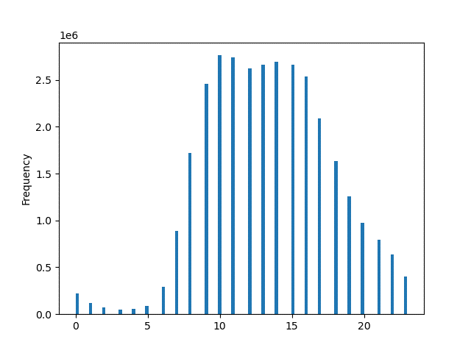

(in millions)
Number of Orders (in millions)

SAT SUN MON TUE WED THU FRI

Hour of the Day
Day of the Week

The busiest days of the week are Saturday and Sunday, likely due to the fact that many people are off work and are placing their grocery orders for the upcoming week. The busiest hours of the day are between 0900-1700, making the least busy times anything outside that timeframe. Therefore, ads should bescheduled in the early morning and/or later in the evening.

Key Question: They also want to know whether there are particular times of the day when people spend the most money, as this might inform the type of products they advertise at these times.

Average Price by Day of the Week
Average Price by Hour of the Day
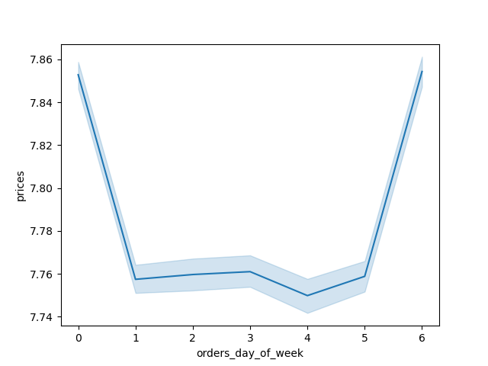


SAT SUN MON TUE WED THU FRI
Hour of the Day
Day of the Week

People spend the most money on Fridays and Saturdays and during the early hours of the morning as well as later in the evening. It should be noted, however, that the price differences are only about 10 cents or less so there isn't a significant difference in the amount of money spent.

Key Question: Instacart has a lot of products with different price tags. Marketing and sales want to use simpler price range groupings to help direct their efforts.


Price by Frequency
Price Range Group by Frequency

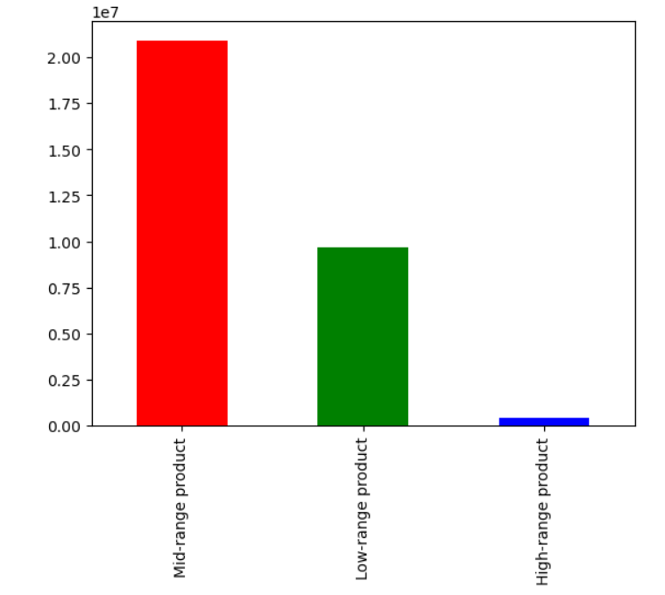

(in millions)
Price Range Grouping:
High-range product : price > 15
Mid-range product : 5 < price <= 15
Low-range product : price <= 5

Frequency (in millions)

Price

The prices can be broken down into 3 groups: high-range product, mid-range product, and low-range product (details in the box above). Mid-range products are purchased twice as much as low-range products. High-range products are not purchased often.

Key Question: Are there certain types of products that are more popular than others? The marketing and sales teams want to know which departments have the highest frequency of product orders.

Orders by Department

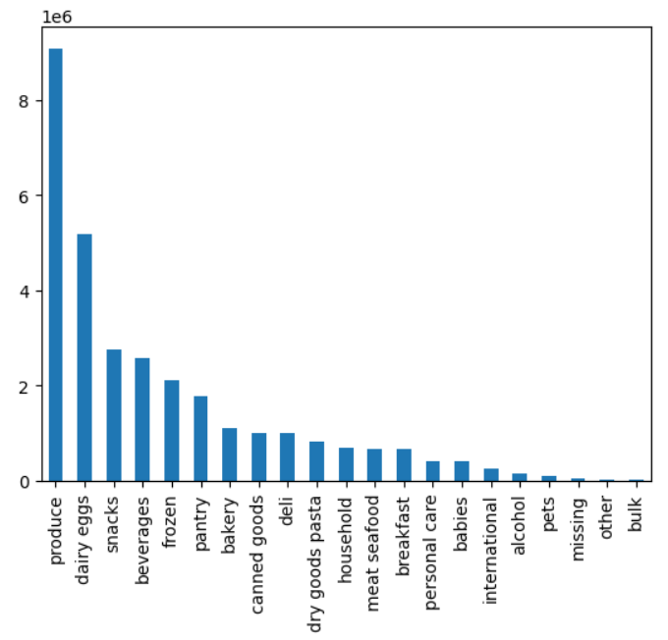
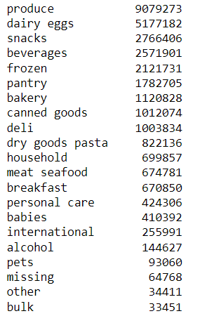

Frequency (in millions)

Department

Produce is the most popular type of products ordered, with over 9 million produce items purchased. In addition to produce, dairy eggs, snacks, beverages, and frozen are among the top five most popular products, in that order.

Key Question: What’s the distribution among users in regards to their brand loyalty (i.e., how often do they return to Instacart)?

Customer Loyalty Groupings

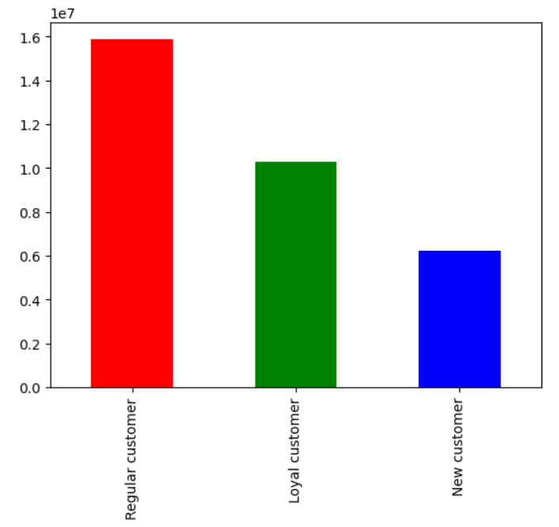
Loyalty Grouping:
Regular Customer : 10 < max_order <= 40
Loyal Customer : max_order > 40
New Customer : max_order <= 10

Frequency (in millions)

The majority of Instacart customers are considered "regular customers", or those that have made between 11-40 orders. The next largest group are the "loyal customers", who have made more than 40 orders. "New customers", those that have made 10 or less orders, make up the smallest group of Instacart customers.

Key Question: Are there differences in ordering habits based on a customer’s loyalty status?

Orders by Day of Week and Loyalty Group
Orders by Loyalty Group and Busiest Period of the Day

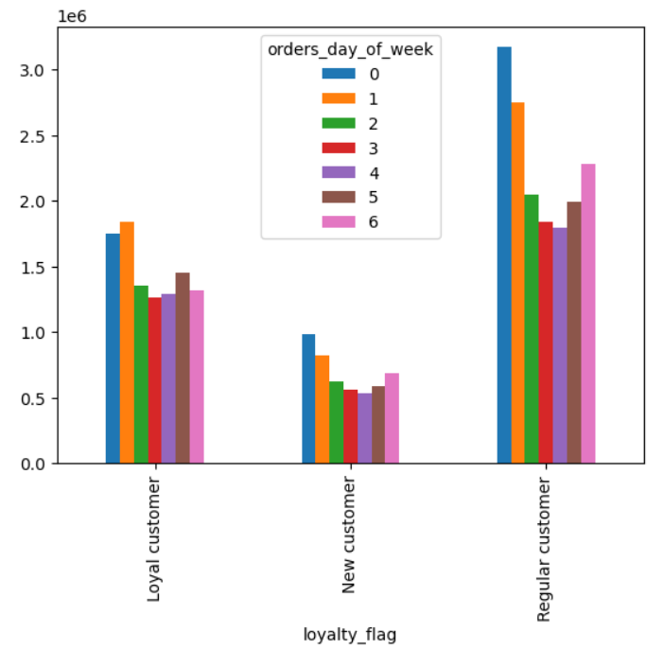
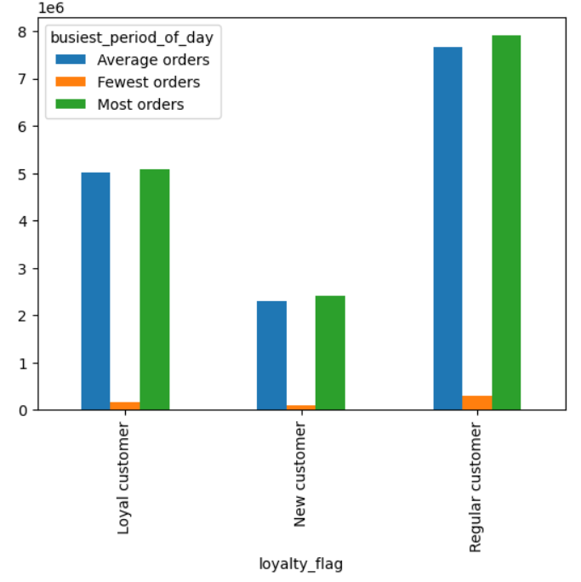

SAT
SUN
MON
TUE
WED
THU
FRI

Frequency (in millions)
Frequency (in millions)

Orders by Loyalty Group and Spending Habit

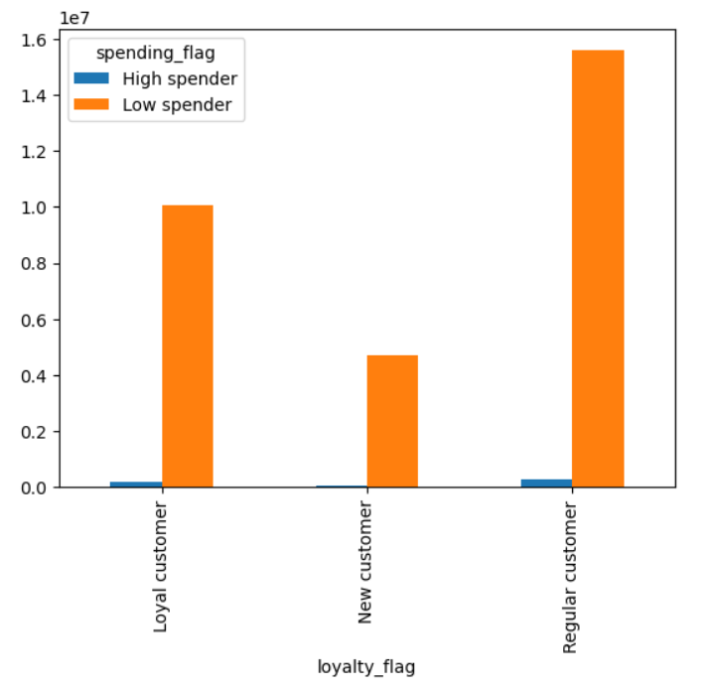

Frequency (in millions)

Three different areas were examined in regards to the ordering habits of loyal, regular, and new customers: order day of the week, busiest period of the week, and spending habit. For order day of the week, Saturday and Sunday remain the most popular days to place orders. For the busiest periods of the week, the number of orders remained consistent among the three loyalty groups. There was also no major differences between the spending habits of the three loyalty groups.

Key Question: Are there differences in ordering habits based on a customer’s region?

Spending Habits by Region
Baby Product Purchases by Region

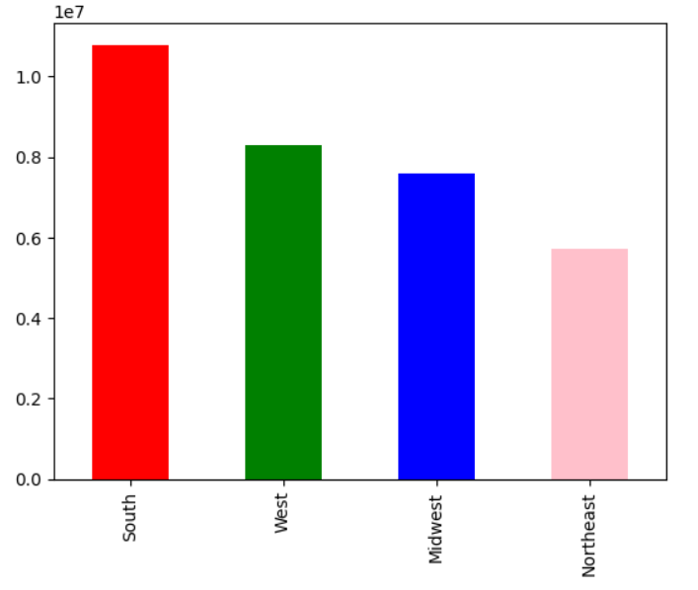
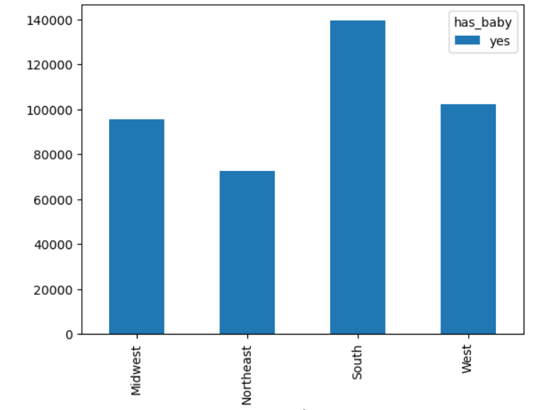

Number of Baby Product Purchases

Frequency (in millions)

Region
Region
Orders by Day of Week and Region

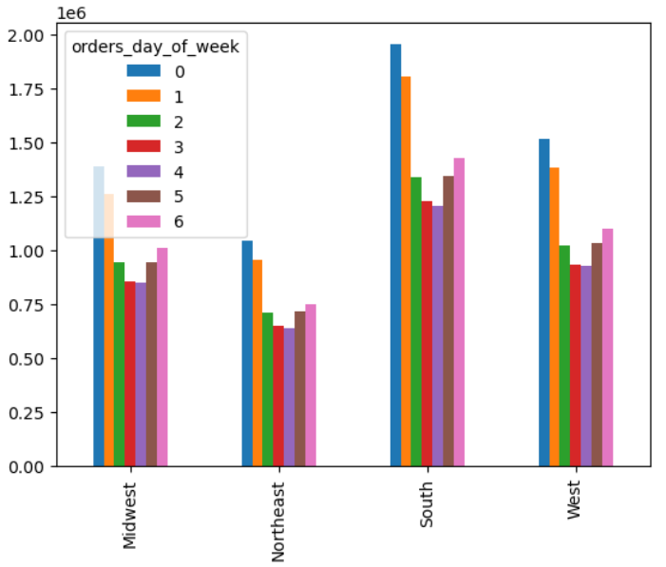

SAT
SUN
MON
TUE
WED
THU
FRI

Frequency (in millions)

Region

The South spends the most overall and specifically on baby product than the other regions. The Northeast spends the least overall, as well as on baby products. Saturday and Sunday remain the most popular days to place orders across all regions.

Key Question: Is there a connection between age and family status in terms of ordering habits?

Customers by Age Group and Marital Status

Number of Customers (in millions)
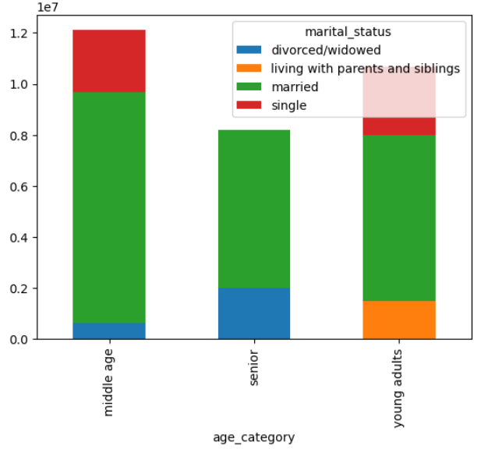
Age Group:
Young Adult : 18 - 39 years
Middle-Aged : 40 - 64 years
Senior : 65+ years

Hour of the Day

Middle age people make up the largest age group of Instacart customers. Seniors make up the smallest age group. Among those age groups, married couples are most likely to place Instacart orders. People living with parents and siblings and people that are divorced or widowed make up the smallest marital status group across the three age groups.

Key Question: What different classifications does the demographic information suggest? Age? Income? Certain types of goods? Family status?

Income Demographics
Age Demographics
Income and Age Demographics

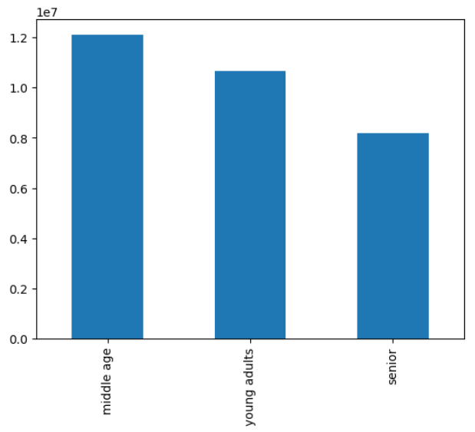
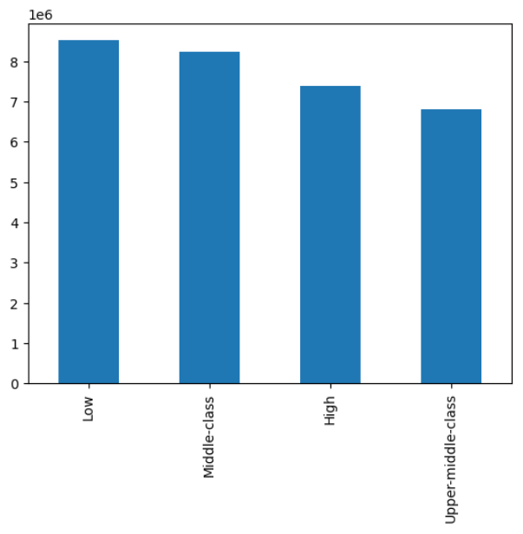
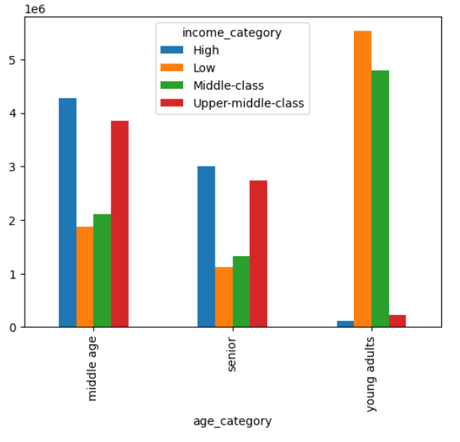

Frequency (in millions)
Frequency (in millions)
Frequency (in millions)
Frequency (in millions)
Frequency (in millions)

Age Group
Age Group
Income Group

Certain Goods (Baby Products) Demographics
Marital Status Demographics

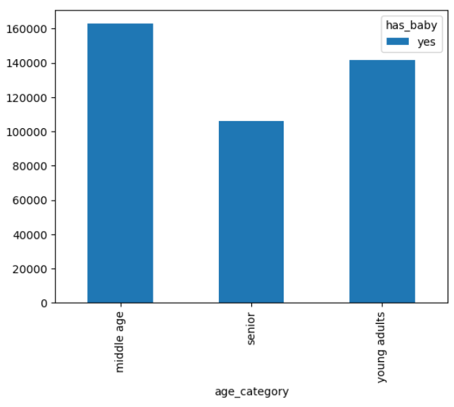
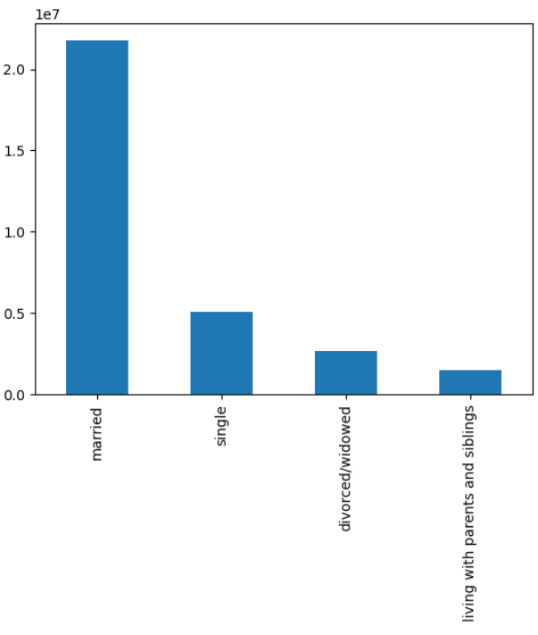

Frequency (in millions)

Age Group

Marital Status

Middle age, married people make up Instacart's largest customer demographics. Middle age and Senior age groups are comprised of primarily high and upper-middle class customers. On the other hand, Young adults are primarily comprised of low and middle class customers.

Key Question: What differences can you find in ordering habits of different customer profiles? Consider the price of orders, the frequency of orders, the products customers are ordering, and anything else you can think of.

Price Frequency Aggregation for Age, Income, and Family Size

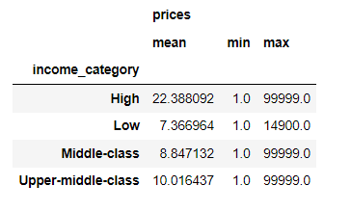
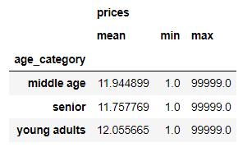
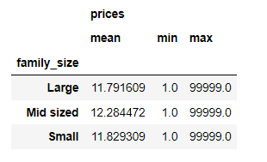

Orders by Time of Day and Age
Orders by Department and Age
Orders by Region and Income
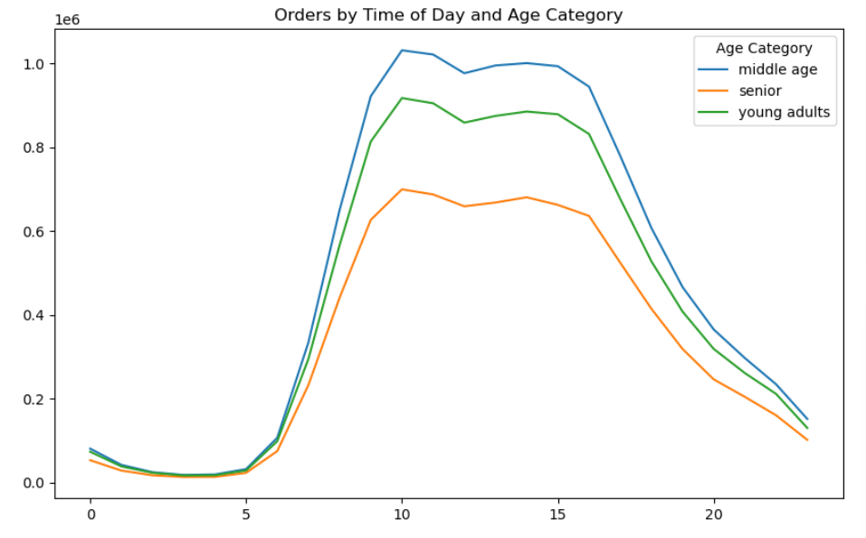
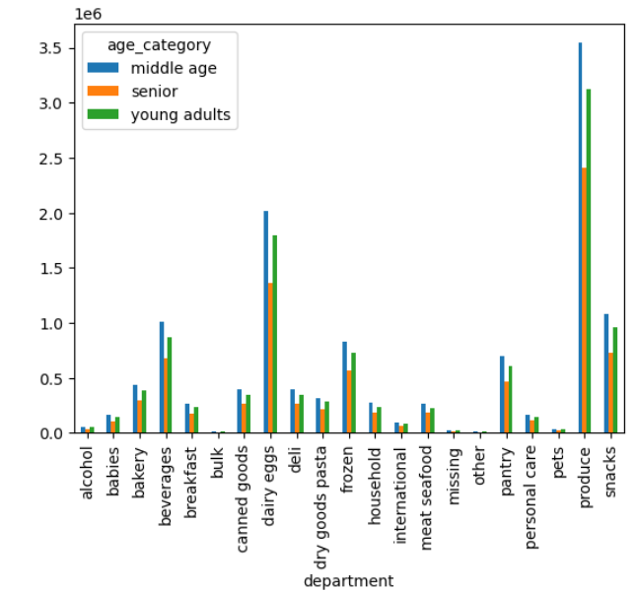
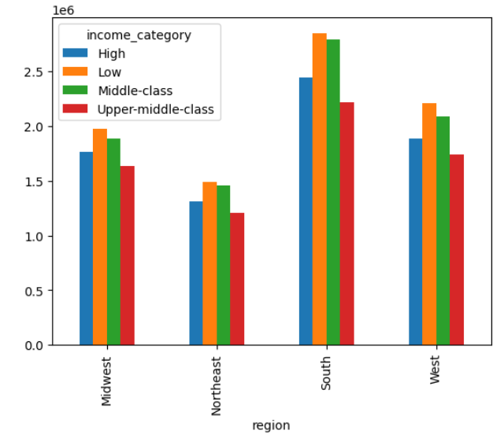

Frequency (in millions)
Frequency (in millions)
Frequency (in millions)

Based on the customer profiling visualizations from the previous key questions, as well as those from this key question, there don't appear to be any significant differences in ordering habits between the various customer profiles. One small difference is that the higher a customer's income category, the higher that customer spends on average per item.

7. Recommendations
 |  | Title page

Recommendations

In this tab you should include any recommendations you would made to Instcart in terms of their marketing strategy based on the questions posed in the brief. Every key question has been covered in the Tasks of the Exercises - here you need to add an item - a visualisation or table/crosstable that is showing the answer in the data, acompanied by a comment from you. Please, list the questions below and add the answer underneath.

Question | Answer
1. The sales team needs to know what the busiest days of the week and hours of the day are in order to schedule ads at times when there are fewer orders. | The busiest days of the week are Saturday and Sunday, and the busiest hours are between 0900 to 1700. As the sales team wants to run ads during the times that there are fewer orders, they should focus on running ads during the weekdays and/or during the early morning and/or evening.

2. They also want to know whether there are particular times of the day when people spend the most money, as this might inform the type of products they advertise at these times. | People spend the most money on Fridays and Saturdays and during the early hours of the morning as well as later in the evening. It should be noted, however, that the price differences are only about 10 cents or less so there isn't a significant difference in the amount of money spent. Further analysis can be done to look into which products in particular people tend to spend more money on.

3. Instacart has a lot of products with different price tags. Marketing and sales want to use simpler price range groupings to help direct their efforts | The product prices range from $1-25 and were broken down into three price groups: low-range product (less than $5), mid-range product (between $5-15), and high-range product (greater than $15). The majority of products purchased fell under the mid-range price group. Therefore, the sales team should focus on providing additional ads and promotions for products in that price group.

4. Are there certain types of products that are more popular than others? The only marketing and sales teams want to know which departments have the highest frequency of product orders. | Produce is the most popular type of products ordered. In addition to produce, dairy eggs, snacks, beverages, and frozen are among the top five most popular products, in that order. The sales team should focus on providing additional promotions in these particular departments.

5a. What’s the distribution among users in regards to their brand loyalty (i.e., how often do they return to Instacart)? | Customers were broken into 3 groups based on the number of orders they have placed: new customers (less than 10 orders), regular customers (between 11-40 orders), and loyal customers (greater than 40 orders). The majority of Instacart customers are considered "regular customers". The next largest group (about half the size of regular customers) are the "loyal customers". "New customers" make up the smallest group of Instacart customers. The sales team should create some sort of loyalty or rewards program to incentivse customers to continue to order from Instacart.

5b. Are there differences in ordering habits based on a customer’s loyalty status? | Three different areas were examined in regards to the ordering habits of loyal, regular, and new customers: order day of the week, busiest period of the week, and spending habit. There was also no major differences between the spending habits of the three loyalty groups. As previously stated, creating a loyalty and/or rewards program is recommended.

5c. Are there differences in ordering habits based on a customer’s region? | The South has the highest number of orders. There is no differences in ordering habits across the various regions. The sales team should focus ads in the other regions to try to grow the customer base in those regions.

5d. Is there a connection between age and family status in terms of ordering habits? | Age was broken into 3 groups: young adult (18 - 39 years), middle-aged (40 - 64 years), and senior (65+ years). Of the three age groups, the most number of orders placed were from those that were married. The sales team should focus ads/promotions for married customers.

5e. What different classifications does the demographic information suggest? Age? Income? Certain types of goods? Family status? | Middle age, married people make up Instacart's largest customer demographics. Middle age and senior age groups are comprised of primarily high and upper-middle class customers. On the other hand, young adults are primarily comprised of low and middle class customers.The sales team should focus ads/promotions for married, middle-class customers.

5f. What differences can you find in ordering habits of different customer profiles? Consider the price of orders, the frequency of orders, the products customers are ordering, and anything else you can think of. | There don't appear to be any significant differences in ordering habits between the various customer profiles. Spending habits appear to be fairly consistent across all demographics.

Final Recommendation The Instacart sales and marketing team should focus their efforts on creating a loyalty and/or rewards program to help attract new customers and help keep current customers. They should focus ads during in the early morning and evenings during the week, and ads should be targeted towards the married, middle-class.

